Outline & Guide
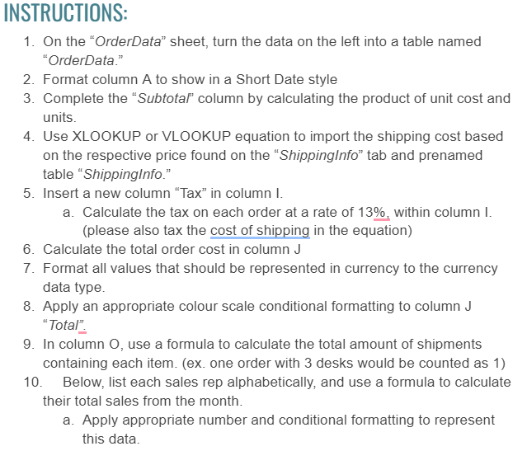
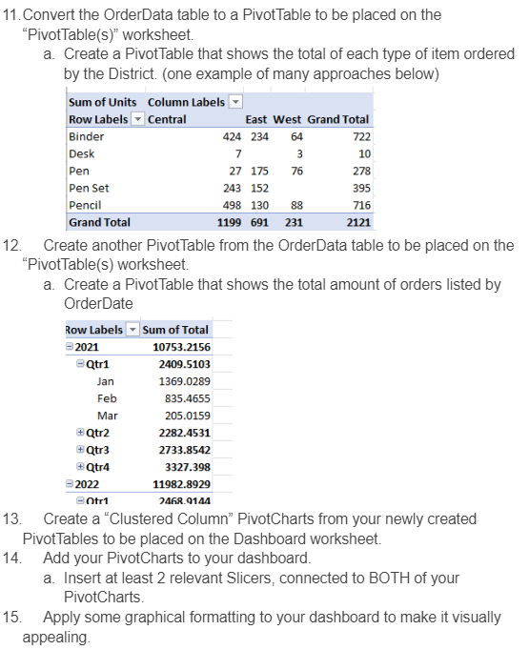
Office Supplies

Dashboard
Row Labels | Sum of Sum of Total
2021 | 10753.2156
2022 | 11982.8929
Grand Total | 22736.1085
Grand Total | 45472.217

 | Sum of Central | Sum of East | Sum of West | Sum of Grand Total
Binder | 424 | 234 | 64 | 722
Desk | 7 |  | 3 | 10
Grand Total | 1199 | 691 | 231 | 2121
Pen | 27 | 175 | 76 | 278
Pen Set | 243 | 152 |  | 395
Pencil | 498 | 130 | 88 | 716

Row Labels | Sum of Central | Sum of East | Sum of West | Sum of Grand Total
Binder | 424 | 234 | 64 | 722
Desk | 7 |  | 3 | 10
Grand Total | 1199 | 691 | 231 | 2121
Pen | 27 | 175 | 76 | 278
Pen Set | 243 | 152 |  | 395
Pencil | 498 | 130 | 88 | 716
Grand Total | 2398 | 1382 | 462 | 4242

